Sheet1
 | 360 | 361 | 362 | 363 | 364 | 365 | 366 | 367 | 368 | 369
111 | 0.30833333333 | 0.30747922438 | 0.30662983425 | 0.30578512397 | 0.30494505495 | 0.30410958904 | 0.30327868852 | 0.30245231608 | 0.30163043478 | 0.30081300813
112 | 0.31111111111 | 0.31024930748 | 0.30939226519 | 0.3085399449 | 0.30769230769 | 0.30684931507 | 0.30601092896 | 0.30517711172 | 0.30434782609 | 0.30352303523
113 | 0.31388888889 | 0.31301939058 | 0.31215469613 | 0.31129476584 | 0.31043956044 | 0.3095890411 | 0.3087431694 | 0.30790190736 | 0.30706521739 | 0.30623306233
114 | 0.31666666667 | 0.31578947368 | 0.31491712707 | 0.31404958678 | 0.31318681319 | 0.31232876712 | 0.31147540984 | 0.310626703 | 0.3097826087 | 0.30894308943
115 | 0.31944444444 | 0.31855955679 | 0.31767955801 | 0.31680440771 | 0.31593406593 | 0.31506849315 | 0.31420765027 | 0.31335149864 | 0.3125 | 0.31165311653
116 | 0.32222222222 | 0.32132963989 | 0.32044198895 | 0.31955922865 | 0.31868131868 | 0.31780821918 | 0.31693989071 | 0.31607629428 | 0.3152173913 | 0.31436314363
117 | 0.325 | 0.32409972299 | 0.32320441989 | 0.32231404959 | 0.32142857143 | 0.32054794521 | 0.31967213115 | 0.31880108992 | 0.31793478261 | 0.31707317073
118 | 0.32777777778 | 0.32686980609 | 0.32596685083 | 0.32506887052 | 0.32417582418 | 0.32328767123 | 0.32240437158 | 0.32152588556 | 0.32065217391 | 0.31978319783

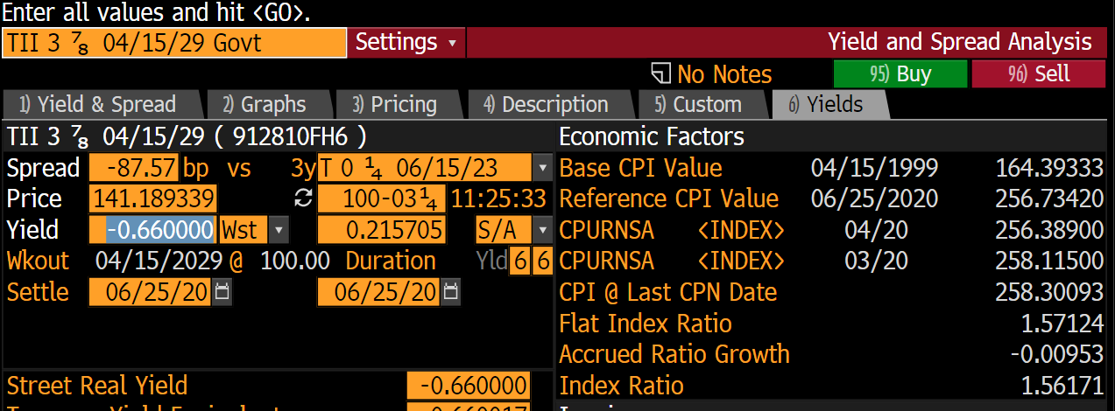
 |  |  | 0 | 258.115 |  |  |  |  |  | 0 | 104.77
 |  |  | 1 | 258.05746667 |  |  |  |  |  | 1 | 104.77966667
 |  |  | 2 | 257.99993333 |  |  |  |  |  | 2 | 104.78933333
 |  |  | 3 | 257.9424 |  |  |  |  |  | 3 | 104.799
 |  |  | 4 | 257.88486667 |  |  |  |  |  | 4 | 104.80866667
 |  |  | 5 | 257.82733333 |  |  |  |  |  | 5 | 104.81833333
 |  |  | 6 | 257.7698 |  |  |  |  |  | 6 | 104.828
 |  |  | 7 | 257.71226667 |  |  |  |  |  | 7 | 104.83766667
 |  |  | 8 | 257.65473333 |  |  |  |  |  | 8 | 104.84733333
 |  |  | 9 | 257.5972 |  |  |  |  |  | 9 | 104.857
 |  |  | 10 | 257.53966667 |  |  |  |  |  | 10 | 104.86666667
 |  |  | 11 | 257.48213333 |  |  |  |  |  | 11 | 104.87633333
 |  |  | 12 | 257.4246 |  |  |  |  |  | 12 | 104.886
 |  |  | 13 | 257.36706667 |  |  |  |  |  | 13 | 104.89566667
 |  |  | 14 | 257.30953333 |  |  |  |  |  | 14 | 104.90533333
 |  |  | 15 | 257.252 |  |  |  |  |  | 15 | 104.915
 |  |  | 16 | 257.19446667 |  |  |  |  |  | 16 | 104.92466667
 |  |  | 17 | 257.13693333 |  |  |  |  |  | 17 | 104.93433333
 |  |  | 18 | 257.0794 |  |  |  |  |  | 18 | 104.944
 |  |  | 19 | 257.02186667 |  |  |  |  |  | 19 | 104.95366667
 |  |  | 20 | 256.96433333 |  |  |  |  |  | 20 | 104.96333333
 |  |  | 21 | 256.9068 |  |  |  |  |  | 21 | 104.973
 |  |  | 22 | 256.84926667 |  |  |  |  |  | 22 | 104.98266667
 |  |  | 23 | 256.79173333 |  |  |  |  |  | 23 | 104.99233333
 |  |  | 24 | 256.7342 |  |  |  |  |  | 24 | 105.002
 |  |  | 25 | 256.67666667 |  |  |  |  |  | 25 | 105.01167
 |  |  | 26 | 256.61913333 |  |  |  |  |  | 26 | 105.02133333
 |  |  | 27 | 256.5616 |  |  |  |  |  | 27 | 105.031
 |  |  | 28 | 256.50406667 |  |  |  |  |  | 28 | 105.04066667
 |  |  | 29 | 256.44653333 |  |  |  |  |  | 29 | 105.05033333
 |  |  | 30 | 256.389 | 256.389 |  |  |  |  | 30 | 105.06 | 105.06

